Frametastic ->

FRAMETASTIC
COMPANY VALUATION

Valuation_10%IRR
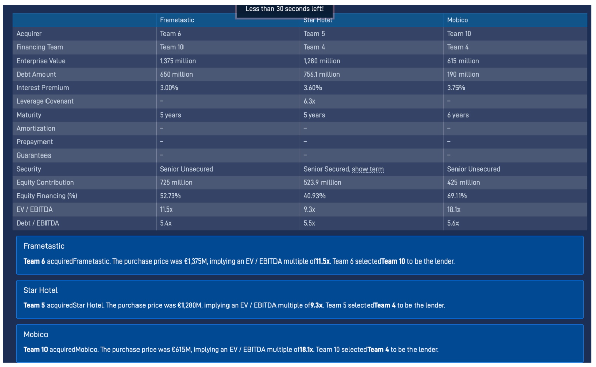

 | Team Number: | 5

1a. Profit & Loss

 |  |  |  | Historical |  |  | Growth Phase |  |  |  |  | Steady State Phase
 |  |  | Units: | 2021 | 2022 | 2023 | 2024 | 2025 | 2026 | 2027 | 2028 | 2029 | 2030 | 2031 | 2032 | 2033
 | Leased & Operated:
 | Hotels at Year End |  | # | 273 | 285 | 300 | 312 | 324 | 336 | 348 | 360 | 367 | 375 | 382 | 390 | 397
 | Hotels Out of Service |  | # |  |  |  | 1
 | Operating Hotels at Year End |  | # | 273 | 285 | 300 | 311 | 324 | 336 | 348 | 360 | 367 | 375 | 382 | 390 | 397
 | Number of Hotels Growth |  | % |  | 4.40% | 5.26% | 4.00% | 3.85% | 3.70% | 3.57% | 3.45% | 2.00% | 2.00% | 2.00% | 2.00% | 2.00%

 | Rooms per Hotel |  | # | 120 | 120 | 120 | 120 | 120 | 120 | 120 | 120 | 120 | 120 | 120 | 120 | 120

 | Average Occupancy Rate |  | % | 76.0% | 76.5% | 72.8% | 74.0% | 74.3% | 74.6% | 74.9% | 75.2% | 75.2% | 75.2% | 75.2% | 75.2% | 75.2%
 | ADR (Average Daily Rate) |  | € | 69.1 | 69.1 | 69.1 | 65.0 | 69.5 | 70.6 | 71.9 | 73.4 | 73.4 | 73.4 | 73.4 | 73.4 | 73.4
 | RevPAR (Revenue per Available Room) |  | € | 52.5 | 52.9 | 50.3 | 48.1 | 51.6 | 52.7 | 53.9 | 55.2 | 55.2 | 55.2 | 55.2 | 55.2 | 55.2
 | Revenue |  | €m | 626.8 | 646.0 | 644.5 | 643.6 | 718.1 | 761.3 | 806.7 | 855.8 | 879.0 | 896.6 | 914.6 | 932.9 | 951.5
 | YoY Revenue Growth |  | % |  | 3.06% | -0.23% | -0.13% | 11.57% | 6.01% | 5.97% | 6.09% | 2.71% | 2.00% | 2.00% | 2.00% | 2.00%
 | Adjusted Revenues |  | €m | 626.8 | 646.0 | 644.5 | 644.7 | 719.2 | 761.3 | 806.7 | 855.8 | 879.0 | 896.6 | 914.6 | 932.9 | 951.5
 | YoY Adjusted Revenue Growth |  | % |  | 3.06% | -0.23% | 0.03% | 11.57% | 5.84% | 5.97% | 6.09% | 2.71% | 2.00% | 2.00% | 2.00% | 2.00%

 | Hotel Operating Costs (COGS) |  | €m | 319.9 | 324.7 | 324.0 | 321.0 | 355.3 | 373.6 | 392.6 | 413.1 | 423.5 | 431.0 | 438.7 | 446.6 | 454.6
 | % of revenue |  |  |  | 50.3% | 50.3% | 49.9% | 49.5% | 49.1% | 48.7% | 48.3% | 48.2% | 48.1% | 48.0% | 47.9% | 47.8% | %

 | SG&A |  | €m | 170.0 | 179.0 | 208.0 | 201.3 | 217.4 | 222.9 | 235.6 | 249.3 | 255.4 | 259.9 | 264.5 | 269.1 | 273.8
 | % of revenue |  |  | 27.1% | 27.7% | 32.3% | 31.3% | 30.3% | 29.3% | 29.2% | 29.1% | 29.1% | 29.0% | 28.9% | 28.8% | 28.8%

 | Non-Recurring Item (one hotel caught fire) |  | €m

 | EBITDA |  | €m | 136.9 | 142.3 | 112.5 | 121.3 | 145.4 | 164.8 | 178.5 | 193.4 | 200.1 | 205.7 | 211.4 | 217.2 | 223.2
 | EBITDA Margin |  | % | 21.8% | 22.0% | 17.5% | 18.9% | 20.3% | 21.7% | 22.1% | 22.6% | 22.8% | 22.9% | 23.1% | 23.3% | 23.5%
 | Ajusted EBITDA |  | €m | 136.9 | 142.3 | 112.5 | 121.5 | 145.7 | 164.8 | 178.5 | 193.4 | 200.1 | 205.7 | 211.4 | 217.2 | 223.2
 | Adjusted EBITDA Margin |  | % | 21.8% | 22.0% | 17.5% | 18.9% | 20.3% | 21.7% | 22.1% | 22.6% | 22.8% | 22.9% | 23.1% | 23.3% | 23.5%

 | Interest |  | €m |  |  |  | 44.0 | 44.0 | 44.0 | 44.0 | 44.0 | 44.0 | 44.0 | 44.0 | 44.0 | 44.0

 | D&A |  | €m |  |  |  | 41.7 | 42.5 | 43.3 | 44.2 | 45.0 | 45.9 | 46.8 | 47.8 | 48.7 | 49.7

 | Earnings Before Tax (EBT) |  | €m | 136.9 | 142.3 | 112.5 | 35.8 | 59.2 | 77.5 | 90.3 | 104.4 | 110.2 | 114.9 | 119.6 | 124.5 | 129.5

 | Tax (Enter Italian Corporate Tax Rate) | 24.0% | €m |  |  |  | 8.6 | 14.2 | 18.6 | 21.7 | 25.1 | 26.5 | 27.6 | 28.7 | 29.9 | 31.1

 | Net Income |  | €m |  |  |  | 27.2 | 45.0 | 58.9 | 68.6 | 79.3 | 83.8 | 87.3 | 90.9 | 94.6 | 98.4
 | Net Income Margin |  | % |  |  |  | 4.23% | 6.26% | 7.74% | 8.51% | 9.27% | 9.53% | 9.74% | 9.94% | 10.14% | 10.34%

1b. DCM Table:

 | Debt (Term Loan B) Amount | 756 | €m
 | TLB Interest Premium | 3.60% | %
 | EURIBOR | 2.218% | % |  |  |  |  |  |  |  |  |  |  |  |  |  |  | Euribor rates - all information on Euribor
 | Debt/EBITDA | 6.7 | x

1c. Working Capital, Capex, Free Cash Flow & DCF Valuation:

 |  |  |  | Historical |  |  | Growth Phase |  |  |  |  | Steady State Phase
 |  |  | Units: | 2021 | 2022 | 2023 | 2024 | 2025 | 2026 | 2027 | 2028 | 2029 | 2030 | 2031 | 2032 | 2033

 | Capex: |  |  |  |  |  |  |  |  |  |  |  |  |  |  |  |  | Maintenance capex --> they did as % of revenues --> but not based on refurbishments etc
 | Growth |  | €m | (2.0) | (54.0) | (60.0) | (2) | (2) | (2) | (2) | (2) | (1) | (1) | (1) | (1) | (2) |  | cost per hotel, multiplied by number of hotels
 | Total Maintenance |  | €m | (26.7) | (28.4) | (31.2) | (30) | (32) | (33) | (34) | (35) | (36) | (37) | (37) | (38) | (39) |  | Don't increase a lot with the number of hotels --> assume steady | Soft refurbishment (carpets, paint, bedding, furniture fabrics, décor): every 5–7 years
 | Maintenance for new hotels bought |  |  | (0.1) | (0.1) | (0.1) | (1.2) | (1.2) | (1.2) | (1.2) | (1.2) | (0.7) | (0.7) | (0.8) | (0.8) | (0.8)
 | Maintenance for hotels already part of the portfolio |  |  |  |  |  | (29.3) | (30.5) | (31.7) | (32.9) | (34.0) | (35.2) | (35.9) | (36.6) | (37.4) | (38.1)
 | Additional one-off capex |  | €m |  |  |  | 0.3 | - | - | - | - | - | - | - | - | -
 | Total Capex |  | €m | (28.7) | (82.4) | (91.2) | (33) | (34) | (35) | (36) | (38) | (37) | (38) | (39) | (40) | (40) |  |  | Hard refurbishment / full renovation (bathrooms, casegoods, HVAC, lobby redesign, infrastructure): every 10–15 years

 | Change in Working Capital |  | €m | (8.1) | (8.4) | (8.4) | (8.4) | (6.3) | (4.2) | (2.1) | - | - | - | - | - | -

 | Cost per Hotels - Growth Capex |  |  |  | (0.2) | (0.2) | (0.2) | (0.2) | (0.2) | (0.2) | (0.2) | (0.2) | (0.2) | (0.2) | (0.2) | (0.2)
 | TT maintenance CAPEX |  |  |  |  |  | (30.6) | (31.7) | (32.9) | (34.1) | (35.3) | (35.9) | (36.7) | (37.4) | (38.1) | (38.9) |  | major refurbishments 2022 and 2023, recover to normal levels of 2021
 | Maintenance CAPEX new ones |  |  |  |  |  |  |  |  |  |  |  |  |  |  |  |  | Major refurbishments only on new hotels (average of 2022 and 2023), otherwise minor
 | Maintenance capex old ones
 |  |  |  |  |  |  |  |  |  |  |  |  |  |  |  |  |  | more or less the maintenacnce CAPEX

1d. Free Cash Flow & DCF Valuation (with 15% IRR) :

 |  |  |  |  |  |  | Growth Phase |  |  |  |  | Steady State Phase
 |  |  |  |  |  | Units: | 2024 | 2025 | 2026 | 2027 | 2028 | 2029 | 2030 | 2031 | 2032 | 2033

 | Adjusted EBITDA |  |  |  |  | €m | 121.5 | 145.7 | 164.8 | 178.5 | 193.4 | 200.1 | 205.7 | 211.4 | 217.2 | 223.2
 | Interest |  |  |  |  | €m | (44.0) | (44.0) | (44.0) | (44.0) | (44.0) | (44.0) | (44.0) | (44.0) | (44.0) | (44.0)
 | Tax |  |  |  |  | €m | (8.6) | (14.2) | (18.6) | (21.7) | (25.1) | (26.5) | (27.6) | (28.7) | (29.9) | (31.1)
 | Change in Working Capital |  |  |  |  | €m | (8.370) | (6.278) | (4.185) | (2.093) | - | - | - | - | - | -
 | Capex |  |  |  |  | €m | (32.6) | (34.1) | (35.2) | (36.4) | (37.6) | (37.3) | (38.1) | (38.9) | (39.6) | (40.4)
 | Free Cash Flow to Equity (FCFE) |  |  |  |  | €m | 28.0 | 47.1 | 62.8 | 74.3 | 86.7 | 92.3 | 96.0 | 99.8 | 103.7 | 107.7

 | Discount Rate (IRR) |  | 10.00% |  |  |  |  |  |  |  |  |  | Terminal Value: |  |  | 1,372.8
 | Terminal Growth Rate |  | 2.00%
 | Tax Rate |  | 24.00% |  |  |  |  |  |  |  |  |  | PV of Terminal Value: |  |  | 529.3

 | Discount Factor |  |  |  |  |  | 0.91 | 0.83 | 0.75 | 0.68 | 0.62 | 0.56 | 0.51 | 0.47 | 0.42 | 0.39
 | Year |  |  |  |  |  | 1 | 2 | 3 | 4 | 5 | 6 | 7 | 8 | 9 | 10
 | PV of FCFE |  |  |  |  |  | 25.4 | 38.9 | 47.2 | 50.8 | 53.9 | 52.1 | 49.3 | 46.6 | 44.0 | 41.5

 | Base Case
 | Equity Value | €m | 978.9
 | (+) Net Debt | €m | 756
 | Enterprise Value | €m | 1,735.0

